INSTRUCTIONS
PYCNOMETER PROCEEDURES

PREPARATION
1. Close valve V4
2. Open valves V1, V2, V3
3. Remove prior samples from Chamber 1 (if any)
4. If the digital pressure gauge does not read zero, press the mode key (display should flash), and press mode key again. See gauge instructions for further information.
5. Replace LID on Chamber 1

EMPTY Chamber Reading
6. Close valves V2 and V3. V4 should already be closed. V1 should be open.
7. Open valve V4
8. Pressurize Chamber 2 to about 15 psig and close valve V4
 | FOR SAFETY, DO NOT PRESSURIZE ABOVE 20 PSIG
9. The pressure reading should become steady. If not, check valves for proper closure and check for leaks.
10. When steady, record pressure P2.
11. Close valve V1
12. Open valve V3
13. The pressure reading should become steady. If not, check valves for proper closure and check for leaks.
14. When steady, record pressure P3.

REPEAT measurements in triplicate using the following steps
15. Open valves V1, V2, V3 to bring the pressures in Chambers 1 and 2 to Patm
16. Repeat steps 6-14 to obtain P2 and P3
 | Note, the repeated measurements do not require identical pressures P1 and P3

END OF EXPERIMENT
17. Turn off air supply
18. Open valves V1, V2, V3, and V4
19. Remove sample from Chamber 1
20. Replace lid to Chamber 1

CALIBRATION CUBE measurements
21. Measure and record the dimensions of the calibration cube using a micrometer. Avoid changing the temperature of the cube during handling.
22. Follow steps 1-20 with the following changes:
 | In step 3. Insert calibration cube into Chamber 1
 | In steps 10, 14, 16 record pressures P8 and P9

FILTER SAMPLE measurements
23. Measure and record the dimensions of the filter sample.
24. Follow steps 1-20 with the following changes:
 | In step 3. Insert sample into Chamber 1
 | In steps 10, 14, 16 record pressures P5 and P6
 | Note: if the filter sample is much smaller than the size of Chamber 1 the measurement may have large +/- error.
 | Spacers may be inserted into Chamber 1 to reduce the size of Chamber 1 and decrease the error. The spacers should be inserted
 | into Chamber 1 in step 3 for the EMPTY chamber readings and left in Chamber 1 throughout all of the measurements.

Pressure
Gauge
Chamber 1 with lid removed

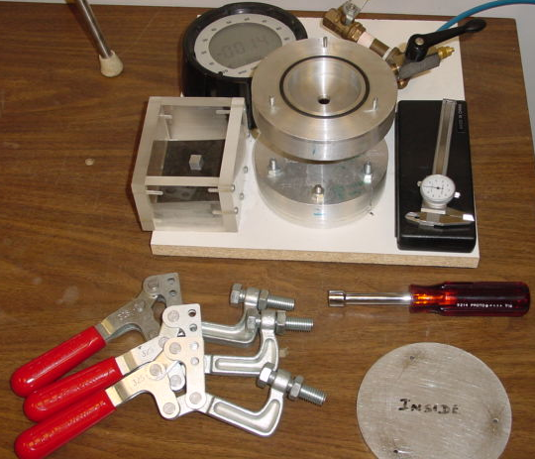

LID
CHAMBER 1
 |  |  | Vent

 |  |  | V1
Calibration Cube
Micrometer
CHAMBER 2
P
 |  | V3
 |  |  | Vent
 |  |  | V2 |  | Air Supply

 |  |  |  | V4
Handle for valve between chambers

Clamps
Lid

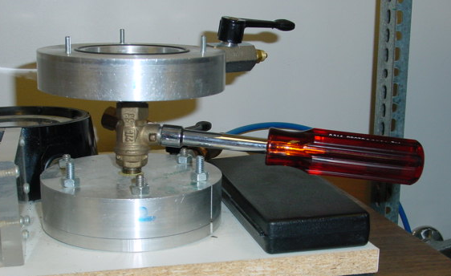
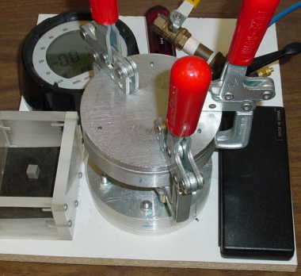

Handle on valve between chambers 1 and 2.
Lid clamped onto Chamber 1

